Instructions
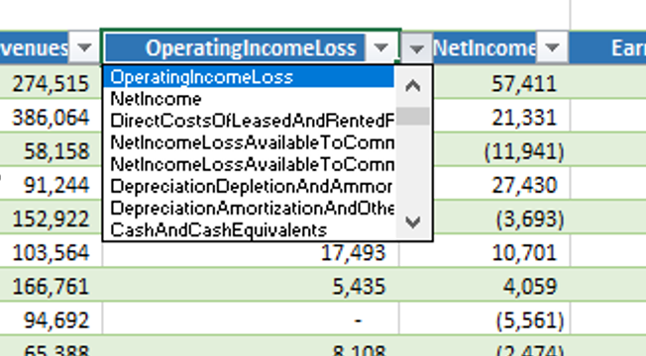
This spreadsheet is the personal work of Tim Baker, CFA and is not an official IEX Cloud product. All data is sourced via the IEX Cloud API.
IEX Cloud Services LLC makes no promises or guarantees herein regarding results from particular products and services, and neither the information, nor any opinion expressed here, constitutes a solicitation or offer to buy or sell any securities or provide any investment advice or service.
Instructions | Links
Sign up for an IEX Cloud account.
Go to the settings tab: Enter your IEX Cloud token into the settings TAB.
Comps Table / Screener | Click here to go to CompsTable
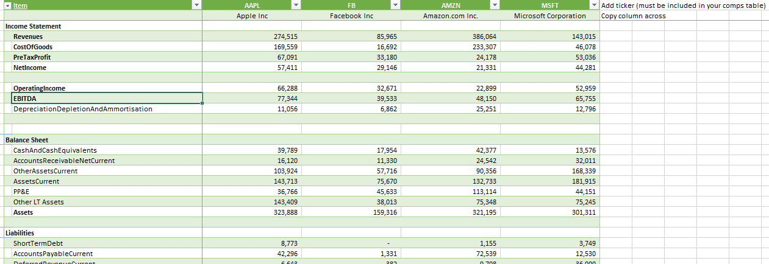
Enter your ticker list into the comps table. You can copy and paste a list, and I incuded the list of S&P 500 firms. Use the Refresh button and it will pull the data from the API, and populate the data.
If you want to add additional financial data, I included a lookup cell, and each of the blue header cells have a drop down (use the second one) | Click here for item lookup | ----------------------->
BONUS Side by Side View: | Click here to go to Side by Side View
I also included a SidebySide view of the data. Add a new ticker at the top (needs to be in the comps table), and copy the formulae from left to right in the expanded table. |  | ------------------------------------------------------------------------------------------------------->
BONUS: S&P500 ticker list from Wikepedia, a few ETFs, and a ticker lookup tab, which hits the IEX Cloud search end point. | Click her to go to the S&P 500 ticker list
I also pull a list of US companies and tickers for the S&P 500. This data is not provided by IEX Cloud.
Note: There are some hidden tabs which is where PowerQuery pulls data into from the IEX Cloud API.
Notes / about this spreadsheet | Links
This spreadsheet can be used to screen thousands of U.S. listed companies. This is the personal work of Tim Baker, and is not an official IEX Cloud product.
This spreadhseet is provided "as is" and may contain errors or differences to some calculation conventions used in financial analysis. Do let me know via GitHub if you have any questions, or corrections. | https://github.com/timbaker-iex
It is supplied free of charge. Should you make improvements to this spreadsheet, feel free to contribute it back to the Excel community at IEX Cloud. | community@iexcloud.io
In order to update this spreadsheet with different companies, you will need to sign up for an IEX Cloud account by signing up here: NOTE this spreadsheet will function with a FREE account. | https://iexcloud.io/cloud-login#/register
Additional information about Financial Statements endpoints can be found here: | data-migration-updates-to-financial-statements
This spreadsheet is formatted for Industrial (i.e. non-financial/bank) companies.
The fundamental data is sourced by IEX Cloud from the SEC website - linked here. | https://www.sec.gov/edgar/search/
I make adjustments to this data, and do a rudimentary merger of various fields to combine "similar" financial items. To view these adjustments hit Data/Queries & Connections and edit the FundiesAdj powerQuery. Then select "Advanced Editor" to view the M Query code. Each "Rollup" or adjustment is marked: //Combine xbrl tems for Revenue. Or go to the Adjustments TAB. | https://iexcloud.io/docs/api/#financials-as-reported
SEC filings are typically 3 quarters (10-Q) and 1 annual (10-k) per year - so 4Q data is not available, nor trailing twelve months. This spreadsheet is setup for 10-K (annual) reports, but can easily be adjusted to quarterly by editing the URL in the comps table (replace 10-K with 10-Q). Valuation items will need to be adjusted to annualise the income statement data.
The spreadhseet will pick up the latest filing for each company, unless for some reason IEX Cloud has not processed the filing.
Want to know how I built this? Go to this blog post, and watch the YouTube video (Intro to Fundamentals in Excel): | https://iexcloud.io/blog/an-introduction-to-fundamental-analysis-in-excel
Go PAID: I highly recommend upgrading your account to a paid account to get you access to our full statement normalised fundamental data from New Constructs. This data is fully normalised across almost 200 statement items, as well as 4 quarter, trailing 12m and full annual data going back 20 years. And over 100 other endpoints and massively expanded available data. | https://iexcloud.io/docs/api/#financials

